Comparison
# patients | 24 | 60 | Name
# lesions | 128 | 267
# malignant | 70 | 133
# benign | 58 | 134
1 | SurfaceAreaToVoleRatio | NRLRatio
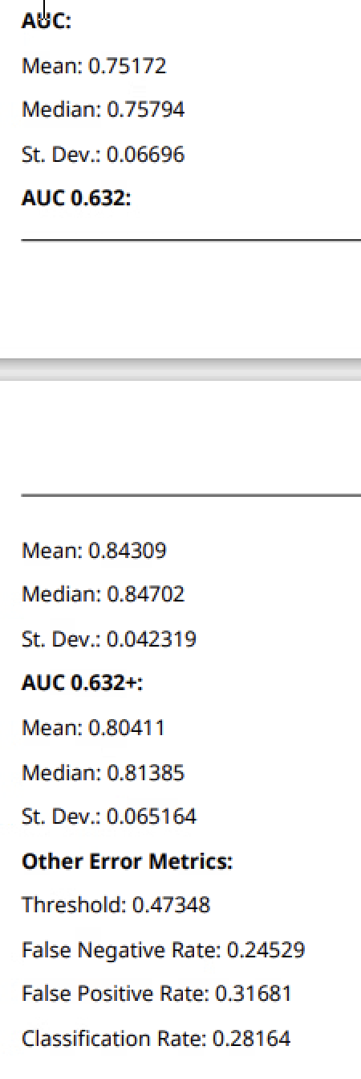
2 | SurfaceArea | SurfaceAreaToVoleRatio
3 | NRLRatio | NRLRoughness
4 | Skewness | Skewness
5 | 90Percentile | NRLSphericity
6 | NRLEntropy | Flatness
7 | Energy | 1Percentile
8 | Kurtosis | Elongation
9 | LeastAxisLength | Variance
10 | Elongation | LeastAxisLength
11 | Variance | SphericalDisproportion
12 | BodalityCoefficient | Kurtosis
13 | Entropy | SurfaceArea
14 | Flatness | Spiculation
15 | Range | Max
16 | Spiculation | Range
17 | NRLSphericity | NRLMean
18 | Max | Energy
19 | Median | BodalityCoefficient
20 | MajorAxisLength | Entropy
21 | NRLRoughness | NRLEntropy
22 | SphericalDisproportion | 90Percentile
23 | 1Percentile | Sphericity
24 | RootMeanSquare | Min
25 | Min | Cpactness3
26 | 99Percentile | Cpactness2
27 | NRLMean
28 | MinorAxisLength | AxialRecist3D
29 | Cpactness2 | Vole
30 | 10Percentile | MedianAbsoluteDeviation
31 | MeanAbsoluteDeviation | RootMeanSquare
32 | AxialRecist3D | 10Percentile
33 | StandardDeviation | MinorAxisLength
34 | MedianAbsoluteDeviation | Median
35 | Unifoity | 99Percentile
36 | MeanRadialLength | MaxDieter
37 |  | StandardDeviation
38 | CoronalRecist3D | MajorAxisLength
39 | Sphericity | CoronalRecist3D
40 | Cpactness3 | Unifoity
41 | SagittalRecist3D | Cpactness1
42 | Cpactness1 | MeanAbsoluteDeviation
43 | Vole | SagittalRecist3D
44 | MaxDieter | MeanRadialLength

